Sheet1
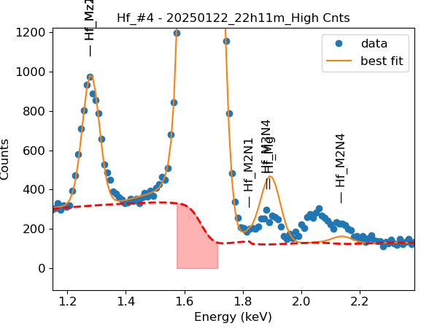
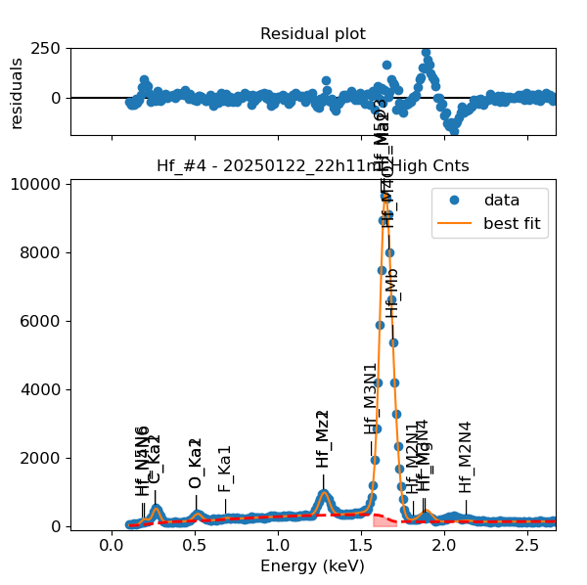
Weights calibrated measuring a pure Hf standard, bulk, polished |  |  |  |  |  |  | M3_O5 added despite beiong missing from NIST databse, because it seemed like it was present in the spectra
Area of all peaks is fitted
A constant shift or broadening is maintained across all peaks

Hf |  | Meas 1 | Meas 2 | Meas 3 | Meas 4 | Meas 5 | Meas 6 | Meas 7 | Meas 8 | Meas 9 | Meas 10
Ma1 |  | 354.802 | 349.265 | 343.81 | 353.728 | 349.454 | 342.047 | 359.038 | 353.316 | 352.259 | 313.456
Mb |  | 177.243 | 194.295 | 193.656 | 191.631 | 196.457 | 205.363 | 185.888 | 177.681 | 196.407 | 161.752
M2N1 |  | 4.281 | 3.904 | 1.818 | 3.572 | 3.843 | 4.51 | 4.428 | 3.484 | 3.042 | 5.309
M3N4 |  | 0 | 0.1 | 6.418 | 1.269 | 0.242 | 0 | 0.016 | 0.951 | 0.002 | 0.005
Mg |  | 12.565 | 13.92 | 7.092 | 11.541 | 12.445 | 13.552 | 11.555 | 10.008 | 14.15 | 10.717
M3N4 + Mg |  | 12.565 | 14.02 | 13.51 | 12.81 | 12.687 | 13.552 | 11.571 | 10.959 | 14.152 | 10.722
M3O1 |  | 12.1 | 13.014 | 12.602 | 12.638 | 13.827 | 11.63 | 13.152 | 10.808 | 13.787 | 9.962
M3O4 |  | 1.974 | 2.19 | 0.207 | 0.001 | 0.404 | 0.078 | 3.201 | 3.13 | 0.108 | 2.491
M3O5 |  | 1.691 | 0 | 0.652 | 2.734 | 0.016 | 2.311 | 0 | 0.006 | 0.015 | 0.026
M3O4 + M3O5 |  | 3.665 | 2.19 | 0.859 | 2.735 | 0.42 | 2.389 | 3.201 | 3.136 | 0.123 | 2.517
M2N4 |  | 6.205 | 7.629 | 8.11 | 6.712 | 8.525 | 7.361 | 5.541 | 5.192 | 9.582 | 5.221
M1N3 |  | 2.086 | 2.296 | 1.893 | 1.51 | 1.11 | 2.507 | 2.707 | 2.652 | 1.336 | 2.243
Ma1 |  | 349.486 | 351.904 | 349.765 | 353.81 | 352.031 | 347.5 | 355.794 | 348.345 | 354.672 | 310.893
N5N6 |  | 1.856 | 1.638 | 1.235 | 2.381 | 2.14 | 1.197 | 2.29 | 1.413 | 2.198 | 0.211
N4N6 |  | 0 | 0.296 | 0.556 | 0.001 | 0.001 | 1.165 | 0 | 0 | 0.242 | 2.701
N5N6 + N4N6 |  | 1.856 | 1.934 | 1.791 | 2.382 | 2.141 | 2.362 | 2.29 | 1.413 | 2.44 | 2.912
Ma1 |  | 349.526 | 352.131 | 350.041 | 353.919 | 352.074 | 350.559 | 355.647 | 347.613 | 355.214 | 351.853
Mz1 |  | 23.74 | 24.087 | 24.482 | 24.293 | 24.28 | 23.545 | 24.661 | 22.884 | 24.21 | 23.571
Mz2 |  | 23.74 | 24.089 | 24.482 | 24.293 | 24.28 | 23.545 | 24.661 | 22.884 | 24.21 | 23.571
Mz1 + Mz2 |  | 47.48 | 48.176 | 48.964 | 48.586 | 48.56 | 47.09 | 49.322 | 45.768 | 48.42 | 47.142
M3N1 |  | 9.571 | 9.241 | 8.435 | 9.433 | 9.922 | 6.4 | 10.626 | 13.428 | 7.418 | 11.234

Line | Original w | Meas 1 | Meas 2 | Meas 3 | Meas 4 | Meas 5 | Meas 6 | Meas 7 | Meas 8 | Meas 9 | Meas 10 | Mean | Stdev | Er (%)
Ma1 | 1 | 1.0000 | 1.0000 | 1.0000 | 1.0000 | 1.0000 | 1.0000 | 1.0000 | 1.0000 | 1.0000 | 1.0000 | 1.0000
Mb | 0.59443 | 0.4996 | 0.5563 | 0.5633 | 0.5417 | 0.5622 | 0.6004 | 0.5177 | 0.5029 | 0.5576 | 0.5160 | 0.5418 | 0.0322 | 5.94
M2N1 | 0.0056 | 0.0121 | 0.0112 | 0.0053 | 0.0101 | 0.0110 | 0.0132 | 0.0123 | 0.0099 | 0.0086 | 0.0169 | 0.0111 | 0.0030 | 27.51
M3N4 | 0.001 | 0.0000 | 0.0003 | 0.0187 | 0.0036 | 0.0007 | 0.0000 | 0.0000 | 0.0027 | 0.0000 | 0.0000 | 0.0026 | 0.0058 | 222.72
Mg | 0.08505 | 0.0354 | 0.0399 | 0.0206 | 0.0326 | 0.0356 | 0.0396 | 0.0322 | 0.0283 | 0.0402 | 0.0342 | 0.0339 | 0.0060 | 17.73
M3N4 + Mg | 0.08605 | 0.0354 | 0.0401 | 0.0393 | 0.0362 | 0.0363 | 0.0396 | 0.0322 | 0.0310 | 0.0402 | 0.0342 | 0.0365 | 0.0033 | 9.10
M3O1 | Did not exist in NIST database for Hf | 0.0341 | 0.0373 | 0.0367 | 0.0357 | 0.0396 | 0.0340 | 0.0366 | 0.0306 | 0.0391 | 0.0318 | 0.0355 | 0.0029 | 8.26
M3O4 | Did not exist in NIST database for Hf | 0.0056 | 0.0063 | 0.0006 | 0.0000 | 0.0012 | 0.0002 | 0.0089 | 0.0089 | 0.0003 | 0.0079 | 0.0040 | 0.0039 | 96.98
M3O5 | Did not exist in NIST database for Hf | 0.0048 | 0.0000 | 0.0019 | 0.0077 | 0.0000 | 0.0068 | 0.0000 | 0.0000 | 0.0000 | 0.0001 | 0.0021 | 0.0031 | 145.04
M3O4 + M3O5 | Did not exist in NIST database for Hf | 0.0103 | 0.0063 | 0.0025 | 0.0077 | 0.0012 | 0.0070 | 0.0089 | 0.0089 | 0.0003 | 0.0080 | 0.0061 | 0.0035 | 57.33
M2N4 | 0.01 | 0.0175 | 0.0218 | 0.0236 | 0.0190 | 0.0244 | 0.0215 | 0.0154 | 0.0147 | 0.0272 | 0.0167 | 0.0202 | 0.0042 | 20.70
M1N3 | Did not exist in NIST database for Hf | 0.0059 | 0.0066 | 0.0055 | 0.0043 | 0.0032 | 0.0073 | 0.0075 | 0.0075 | 0.0038 | 0.0072 | 0.0059 | 0.0016 | 27.81
N5N6 | 0.01 | 0.0053 | 0.0047 | 0.0035 | 0.0067 | 0.0061 | 0.0034 | 0.0064 | 0.0041 | 0.0062 | 0.0007 | 0.0047 | 0.0019 | 39.50
N4N6 | 0.01 | 0.0000 | 0.0008 | 0.0016 | 0.0000 | 0.0000 | 0.0034 | 0.0000 | 0.0000 | 0.0007 | 0.0087 | 0.0015 | 0.0027 | 180.58
N5N6 + N4N6 | 0.02 | 0.0053 | 0.0055 | 0.0051 | 0.0067 | 0.0061 | 0.0068 | 0.0064 | 0.0041 | 0.0069 | 0.0094 | 0.0062 | 0.0014 | 22.86
Mz1 | 0.06 | 0.0679 | 0.0684 | 0.0699 | 0.0686 | 0.0690 | 0.0672 | 0.0693 | 0.0658 | 0.0682 | 0.0670 | 0.0681 | 0.0012 | 1.79
Mz2 | 0.01 | 0.0679 | 0.0684 | 0.0699 | 0.0686 | 0.0690 | 0.0672 | 0.0693 | 0.0658 | 0.0682 | 0.0670 | 0.0681 | 0.0012 | 1.79
Mz1 + Mz2 | 0.07 | 0.1358 | 0.1368 | 0.1399 | 0.1373 | 0.1379 | 0.1343 | 0.1387 | 0.1317 | 0.1363 | 0.1340 | 0.1363 | 0.0024 | 1.79
M3N1 | 0.02901 | 0.0274 | 0.0262 | 0.0241 | 0.0267 | 0.0282 | 0.0183 | 0.0299 | 0.0386 | 0.0209 | 0.0319 | 0.0272 | 0.0057 | 20.93

The fitting of peaks M3N4 + Mg + M2N1 varies, but their sum is constant and equal to 0.0105
So we use the original ratios to diustribute the sum among the 3 peaks, giving:

 | M3N4 | Mg | Sum |  |  |  |  | M3O4 | M3O5 | Sum
Original ratio | 0.0116 | 0.9884 |  |  |  |  | Original ratio | 0.0909 | 0.9091 |  | These peaks were missing from NIST database. We use ratios from W
Resulting weights: | 0.0004 | 0.0360 | 0.0365 |  |  |  | Resulting weights: | 0.0006 | 0.0056 | 0.0061

 | N5N6 | N4N6 | Sum |  |  |  |  | Mz1 | Mz2 | Sum
Original ratio | 0.5000 | 0.5000 |  |  |  |  | Original ratio | 0.8571 | 0.1429
Resulting weights: | 0.0031 | 0.0031 | 0.0062 |  |  |  | Resulting weights: | 0.1168 | 0.0195 | 0.1363

Without fixing the peaks above: |  |  |  |  |  |  |  |  |  |  | Fixing the peaks above:

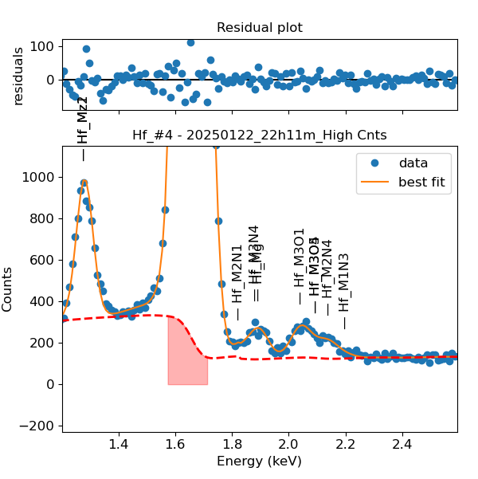
 | Missing peaks at 2.1 keV! We added them, because present in Ta
 | Added peaks: | M1-N3 | M3-O1 | M3-O4 | M3-O5
 | Energy determined by excel, fitting higher energy elements and extrapolating

